Sheet1
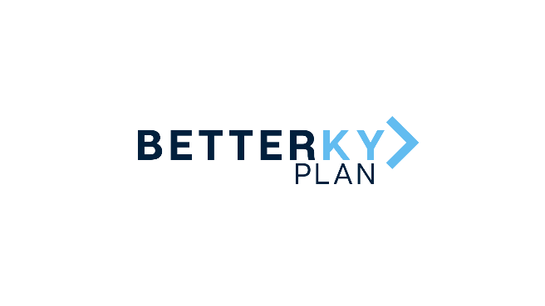 |  | January 25, 2022 Cleaner Water Grant Program Award Recipients
County | Grantee | Project Type | Award | Project Description
Campbell | Northern Kentucky Water District | Water Main Replacement – Newport and The Ovation | $1,000,000 | The project involves the replacement of water mains located in the urban core of the Northern Kentucky Water District's Campbell County Service Area in Newport including areas near The Ovation development site. The project will reduce water main breaks, water loss, service disruptions, and to limit the amount of possible containments introduced into the system.
Campbell | Sanitation District #1 of Northern Kentucky | US27 and AA Highway Sewer Improvements - Phase III | $3,786,970 | This project will increase the capacity of both the Centerplex Pump Station and the Cold Springs Crossing Pump Station and redirect flows from Wolpert Pump Station to the Eastern Regional Water Reclamation Facility. Increasing capacity in this area allows economic growth in the community and new commercial revenue sources for the district. The project will also reduce overflows occurring along Industrial Road and KY-8 in the Highland Heights/Silver Grove area.
 |  |  | $4,786,970
Kenton | Northern Kentucky Water District District | Emergency Power Generation for Taylor Mill Water Treatment Plant and Fort Thomas Treatment Plant Basin Improvements | $1,000,000 | The Northern Kentucky Water District in Kenton County was awarded $1 million to continue improvements at two treatment plants. Aging equipment essential for treating and supplying water to the district's customers will be replaced at the Fort Thomas Treatment Plant. The Taylor Mill Treatment Plant and pumping station will use the investment to provide a backup power supply in the event of an electrical outage. These improvements will impact nearly 300,000 people in the northern Kentucky region.
Kenton | Sanitation District #1 of Northern Kentucky | Walnut Hall Peach | $2,133,176 | The project extends service to approximately 44 residential customers, eliminating the need for septic systems.
Kenton | Sanitation District #1 of Northern Kentucky | Route 8 Ludlow | $2,000,000 | The project extends service to approximately 33 residential customers, eliminating the need for septic systems.
Kenton | Sanitation District #1 of Northern Kentucky | Crawford | $1,000,000 | The project extends service to approximately 15 residential customers, eliminating the need for septic systems.
 |  |  | $6,133,176
Boone | Boone County Fiscal Court | Boone County Rural Waterline Extensions | $1,226,476 | The Boone County Water District will use an investment of $1.2 million to extend water lines to multiple local neighborhoods and provide safe drinking water to approximately 400 unserved rural residents in western and southern Boone County.
Boone | Boone County Water District | KY-18 Green Acres to Kelly Elementary | $1,226,475 | This project will extend the water main line 29,000' to provide water to 119 homes that were previously unserved.
Boone | Sanitation District #1 of Northern Kentucky | Central Boone County Master Sewer Plan - Phase I | $2,452,951 | Phase I includes the extention of sanitary sewer service to 137 homes in western central Boone County, eliminating septic systems.
Boone | Sanitation District #1 of Northern Kentucky | Central Boone County Master Sewer Plan - Phase II | $3,650,000 | Phase II of this project will include a new lift station to support the extension of the sanitary sewer system to 137 homes in western central Boone County.
 |  |  | $8,555,902

 |  |  | $19,476,048

