Instructions
Step-by-Step Instructions to Search for Quality Measures Using This Excel File
This spreadsheet is a tool that eligible clinicians can use to search for current 2024 quality measures. The third tab of this file, titled "2024 MIPS Quality Measures" includes the full set of current measures reportable through any collection type, as of 2024. Eligible clinicians can use this resource to find measures in any number of ways and then then use the measure specification manuals to dive deeper into any given measure.
For guidance on how to search for measures, please see step by step instructions on how to execute the following basic functions:
1. Search by measure number 2. Search by collection type 3. Search using keywords
1. Search by measure number
Step 1: Identify the type of measure number you are searching by (CMS, CBE, Quality) and click on the arrow below that program.
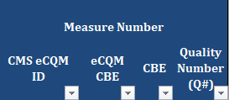 This is a picture of the categories of the measure number. This includes columns for the CMS eCQM ID, eCQM CBE, CBE, and Quality Number (Q#)
Step 2: Once the arrow is selected, a drop down menu will appear. Input the measure number you are searching for and select "OK."
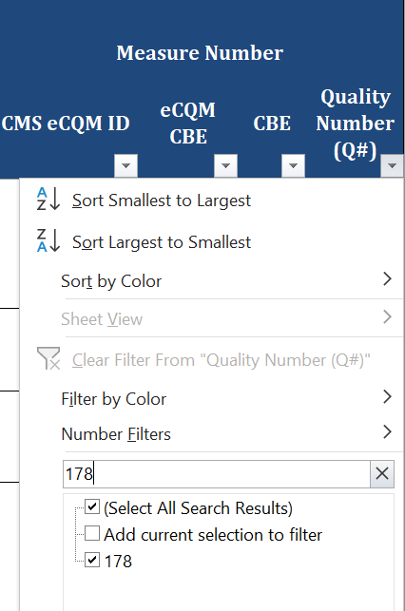 Screen shot showing drop down menu allowing to search for a measure number.
Step 3: This excel function will filter out all other measures, leaving you with just the measure with the number you are searching for.
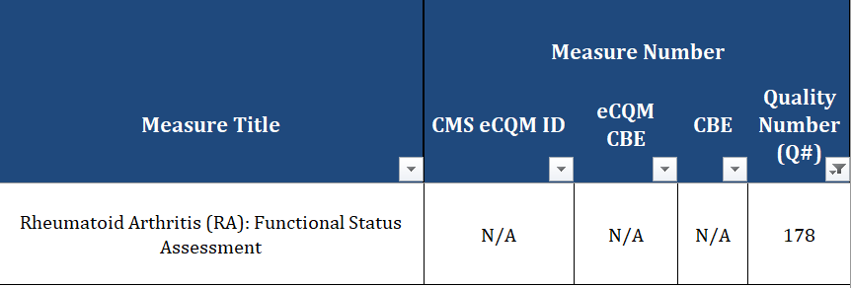 This is a picture of the categories of the measure title and measure number. Under the measure number row are columns for the CMS eCQM ID, eCQM CBE, CBE, and Quality Number (Q#). The Quality number is filtered for QI 180, Rheumatoid Arthritis (RA): Glucocorticoid Management
Step 4: To undo your search (so that you might search for something else), reclick the arrow that is filtered and select "Clear Filter From '…'."
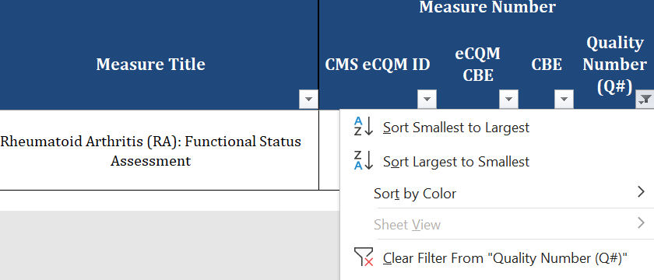 This is a picture of the categories of the measure number. Under the measure number row are columns for the CMS eCQM ID, eCQM CBE, CBE, and Quality Number (Q#). Image shows a picture of selecting "Clear Filter from "Quality Number (Q#)
2. Search by Collection Type
Step 1: Select the arrow below the collection type you are searching for
This image shows the columns under the Collection Type(s) header. This includes Medicare Part B Claims, CSV, eCQM, CMS Web Interface (for SSP), Administrative Claims, MIPS CQM, and Medicare CQM.
Step 2: Once the arrow is selected, a drop down menu will appear. Unselect the "-" so that only the "X" is marked. Then select "OK."
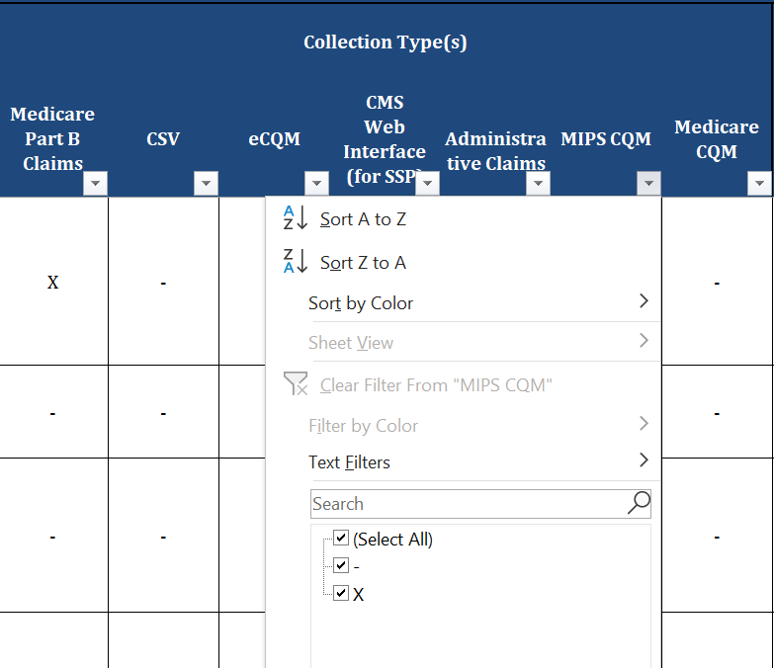 This image shows the selection of an X under the MIPS CQM column
Step 3: This excel function will filter out all other measures, leaving you only with measures reportable via the chosen collection type.
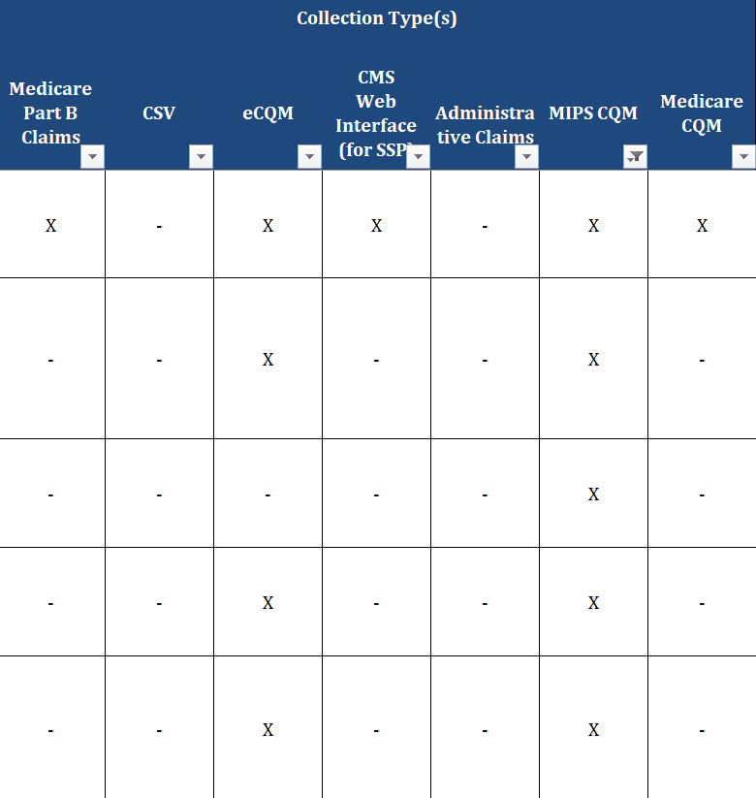 Screen shot showing results from the filter selection.
Step 4: To undo your search (so that you might search for something else), reclick the arrow that is filtered and select "Clear Filter From 'MIPS CQM' ".
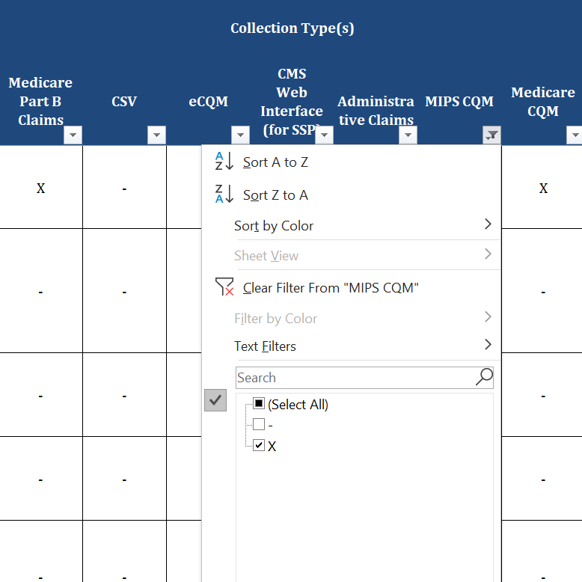 This is an image showing where to find "Clear Filter From 'MIPS CQM'" after clicking the filter arrow
3. Search using Keywords
Step 1: Select the arrow below the Measure Title column.
This is an image of the Measure Title header
Step 2: Once the arrow is selected, a drop down menu will appear. Input a key word you are searching for (e.g., "Diabetes") and select "OK."
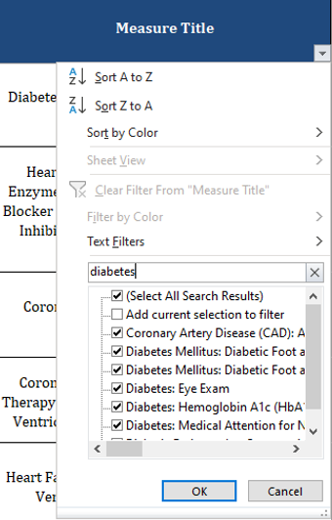 This is an image of the filter of the Measure Title header with the selection of "Diabetes" in the text filter.
Step 3: This excel function will filter out all other measures, leaving you only with measures with the word "Diabetes" in the measure title.
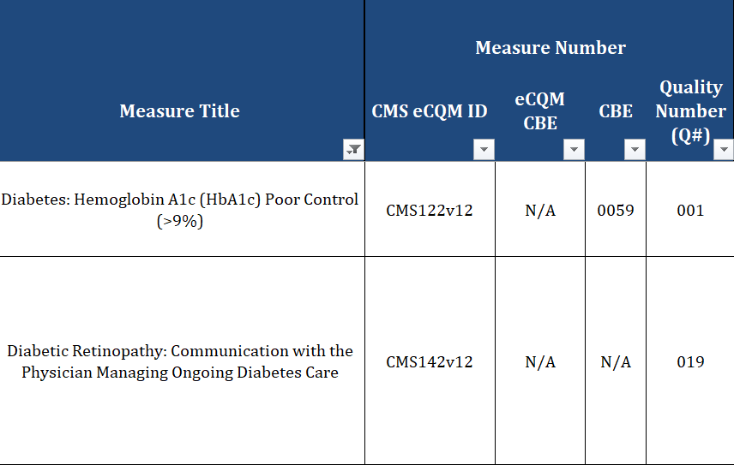 This is an image of two measure titles that show after the filtering of the measure title. It includes the measure title, measure number header, and columns under the measure number header
Step 4: To undo your search (so that you might search for something else), reclick the arrow that is filtered and select "Clear Filter From 'Measure Title' ".
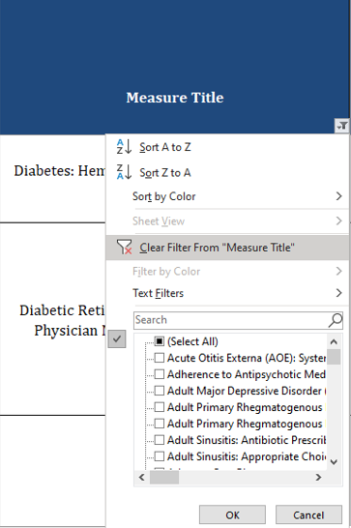 This is an image of selecting the Clear Filter From "Measure Title" selection in the dropdown of the Measure Tile header
Note: This same function can be conducted in the measure description column as well.
End of worksheet

