Sheet1
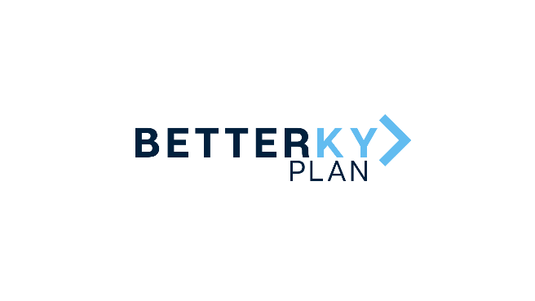 |  | December 3, 2021 Cleaner Water Grant Program Award Recipients
County | Grantee | Project Type | Award | Project Description
Bath | City of Owingsville | City of Owingsville Lagoon System Cleaning Project | $76,512 | This project will involve cleaning of the lagoon system at the wastewater treatment plant, which was built in 1986 and comprised of approximately 14 acres. The project will also include installation of a mechanical influent screen at the plant.
Bath | City of Sharpsburg | City of Sharpsburg Package Treatment Plant Security Updates | $76,513 | Funds will be used for the installation of a new security gate, gravel/rock, and fencing, and for tree removal at the entrance and around the existing package treatment plant.This investment will improve security aroudn the package treatment plant.
Bath | Bath County Fiscal Court | Sanitary Sewer Feasibility Study Project | $76,512 | These funds will allow for the completion of a sanitary sewer feasibility study for the Bath County Sanitation District, reviewing the district's ability to add additional customers while maintaining compliance with the Clean Water Act.
Bath | City of Owingsville | Waterline Replacement Project | $76,513 | This project will replace and upgrade approximately 5,850 LF of existing ageing waterline from the Bath County Water District meter to Owingsville Elementary School, and along Sudith Street, High Street, and Main Street.The project will improve water quality, pressure, and volume to the establishments within this area, and provide new service to 90 underserved households.
Bath | Sharpsburg Water District | Sharpsburg Water District Water Tank Rehab Project | $76,513 | Funds would rehabilitate and refurbish three water tanks: Reynoldsville, Sharpsburg , and Whetstone tanks. The project will provide improved water quality and disinfection processes for approximately 98.9% of Sharpsburg Water District's serviceable households.
Bath | Bath County Water District | BCWD Improvements And Upgrades | $76,513 | Funds will be invested to refurbish all six of the water district's holding tanks, improving the quality of water to customers, offerring precautionary line redundancy for emergency water usage, improving operation efficiency, and providing potable drinking water access to 30 customers.
 |  |  | $459,076
Clark | Winchester Municipal Utilities Commission | WMU - Flanagan and Madison Outfall Sewers | $5,000,000 | Funding will be used to replace existing sewer line segments, increasing capacity and eliminating sanitary sewer overflows. Improvements will be made to the Strodes Creek WWTP and will incorporate the Fort Estill pump station discharge, accounting for potential development near KY-627 and I-64 interchange. This project will include stream restoration along Strodes Creek.
Clark | Clark County Sanitation District | Clark Co SD - Rockwell Road Sanitary Sewer Improvements | $600,000 | This investment will remove three existing and aged package wastewater treatment plants from Clark County, two of which are owned by home owners associations with limited resources for maintenance and repairs. The project will improve water quality and provide sewer service to unserved residences in western portions of Clark County.
Clark | East Clark County Water District | Muddy Creek Booster Pump Station Rehabilitation and Zone Meterin | $310,000 | The East Clark County Water District will install four new distribution system "zone meters" which will enable the district to monitor water usage, quickly detect leaks and respond to equipment alarms. Funds will also be used to refurbish the Muddy Creek Booster Pump Station, including the replacement of pumps, pump controls, variable frequency drives, and installation of a new propane-fueled emergency power generator to help in times of prolonged power outages.
 |  |  | $5,910,000

