Sheet1
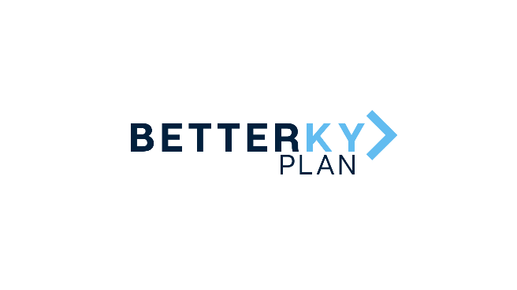 |  | January 28, 2022 Cleaner Water Grant Program Award Recipients
County | Grantee | Project Type | Award | Project Description
McCracken | Paducah McCracken County Joint Sewer Agency | Manhole Rehabilitation | $119,272 | This project will provide epoxy coating and other infiltration and inflow (I/I) repairs of manholes located throughout the system. By performing this rehabilitation work, the lifespan of these manholes is extended and I/I is reduced within the system, limiting issues that arise during wet weather conditions.
McCracken | Paducah McCracken County Joint Sewer Agency | Sanitary Main Rehabilitation | $1,082,000 | These funds will be used to install cured-in-place pipe (CIPP) lining througout the sanitary sewer system and perform miscellaneous service line repairs.
McCracken | Paducah Water Works | Midtown Area Water Main Replacement | $1,201,272 | This project will replace approximately 30,000 linear feet of aged, deteriorating water main in the Midtown area of Paducah, including all valves, hydrants, meters and service lines, helping to eliminate breaks, low water quality complaints and low pressure. The project will also replace water mains that are critical to the daily operation of the Baptist Health medical complex.
 |  |  | $2,402,544
Marshall | City of Benton | LIFT STATION REHABILITATION Part 1 | $571,090 | This project includes the rehabilitation of three existing, aged lift stations and electrical control improvements at five sites, which are deteriorated and in need of significant repair. The project will help the city address sanitary sewer system overflows and pollutant removal at their wastewater treatment plant due to excessive levels of infiltration and inflow within their collection system.
Marshall | City of Hardin | Wastewater Rehabilitation Phase III | $571,090 | This project continues improvements within the city of Hardin’s wastewater treatment system. This phase will focus on wet-weather surveys and performance of mainline and lateral lines. The results of these tests will be evaluated for the preparation and implementation of a Phase III construction project to remove excess levels of infiltration and inflow, which are overloading the city's WWTP.
 |  |  | $1,142,180
Lyon | City of Eddyville | Wastewater SSES and Rehabilitation - South of Fairview Ave | $100,507 | The city of Eddyville will invest the funds to construct, replace or refurbish sewer line throughout the system, repair 195 manholes and more to reduce inflow and infiltration points into Eddyville's sewer collection system. The project would replace an outdated lift station at the Industrial Park on US 62 East.
Lyon | City of Kuttawa | Phase V SSES and Rehabilitation Project | $100,507 | This project will include the evaluation of sewers in the Magnolia and Body Shop lift station areas and will include the inspection of approximately 120 manholes, 24,000 linear feet of sewer main, and 235 laterals, design for the rehabilitation or replacement of the sewers, and construction – replacement of sewer lines, cured-in-place pipe lining and manhole rehabilitation to eliminate inflow/infiltration into the city's system.
Lyon | Lyon County Water District | Water Service Line Extensions | $100,507 | This project will replace undersized lines and extend existing lines in various locations throughout the county. In addition, the project will install new flush hydrants and create at least two loops. The result of the project will help improve water quality and pressure.
 |  |  | $301,521

 |  |  | $3,846,245

