Directions
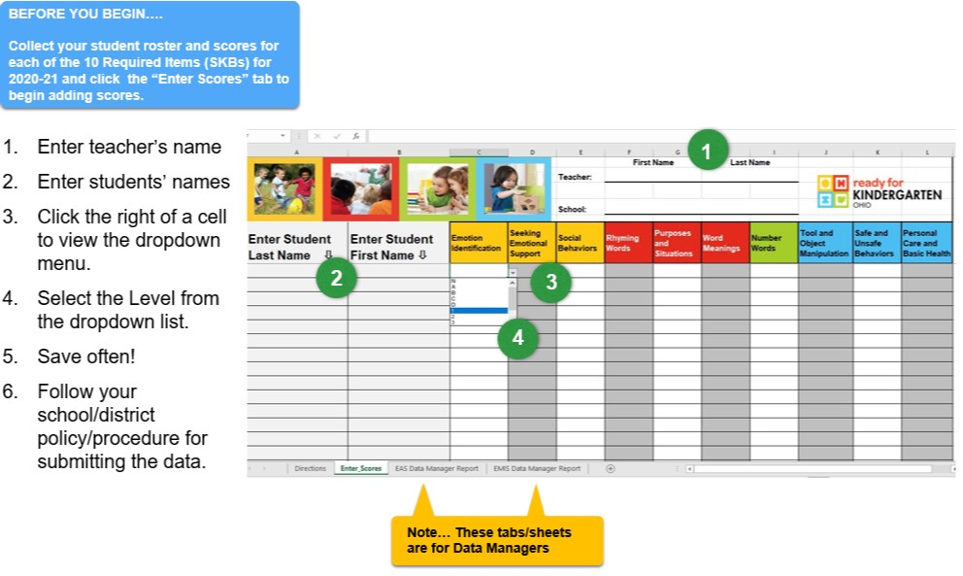
Instructions for the Early Learning Assessment Bridge Document - 2020-21 Only

